Kappa Index
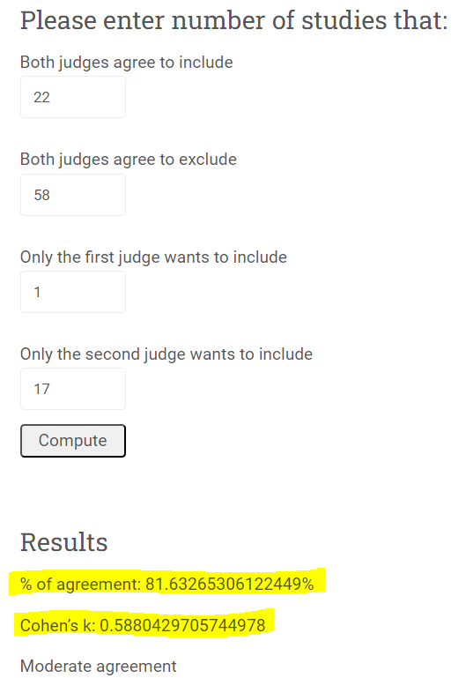
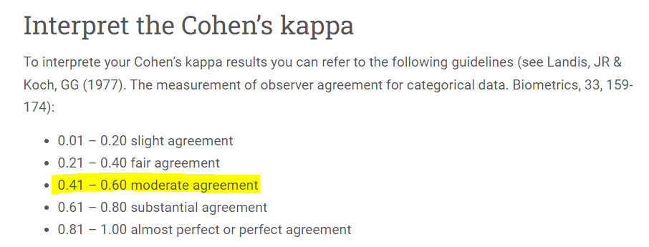
Systematic map screening strategy - Kappa index calculation |  |  |  |  |  |  |  |  |  |  |  |  |  |  |  | Additional Check with online calculator
 |  |  |  |  |  |  |  |  |  |  |  |  |  |  |  | https://idostatistics.com/cohen-kappa-free-calculator/#risultati
Methodology | Fill the eligibility comparison table between reviewers by indicating the number of publications that: (a) both rewiewers marked "yes"; (b) both reviewers marked "no"; (c) Only Reviewer 1 marked "Yes"; (d) Only Reviewer 1 marked "No"; (e) Only Reviewer 2 marked "Yes"; (f) Only Reviewer 2 marked "No"

 |  |  |  |  |  |  |  |  |  | Kappa Index (Cohen´s K factor) Calculation
 |  |  |  | Eligibility comparison Table |  |  |  |  |  | Inclusion (R1 and R2) | 22 | 1 | Only R1 (Inclusion) | rm1 | 23
 |  |  |  | Comparison between reviwers |  |  |  |  |  | Only R2 (Inclusion) | 17 | 58 | Exclusion (R1 and R2) | rm2 | 75
Publication identification (ID): numbering strategy | P = Preliminary; B = bird; M = mammal; A = article; Numbering digits - 000 (from 001 to 100) |  |  |  |  |  |  |  |  |  | 39 | 59 |  | n | 98
 | Final coding ID: PBMA_001 (example) | Eligibility decision |  | # Agreements |  | # Reviewer 1 only |  | # Reviewer 2 only |  |  | cm1 | cm2
Publication ID | Publication Title | Reviewer 1 | Reviewer 2 | (a) Yes | (b) No | Yes | No | Yes | No |  | Raw agreement |  | 0.8163
Article ID | Title |  |  |  |  |  |  |  |  |  | Raw agreement rate (%) |  | 81.6327
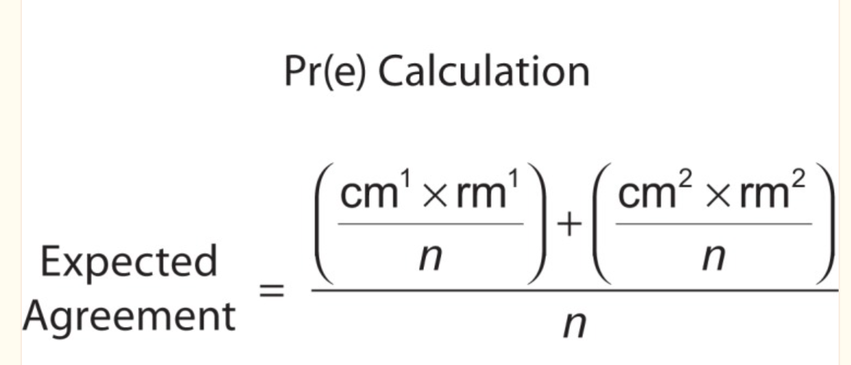
PBMA001 | Multi-scale mammal responses to agroforestry landscapes in the Brazilian Atlantic Forest: the conservation value of forest and traditional shade plantations | Yes | Yes | 22 | 58 | 1 | 17 | 17 | 1
PBMA002 | Large mammals in an agroforestry mosaic in the Brazilian Atlantic Forest | Yes | Yes
PBMA003 | Abiotic and vertebrate seed dispersal in the Brazilian Atlantic forest: implications for forest regeneration | No | No
PBMA004 | Functional attributes change but functional richness is unchanged after fragmentation of Brazilian Atlantic forests | No | No
PBMA005 | Testing the keystone plant resource role of a flagship subtropical tree species (Araucaria angustifolia) in the Brazilian Atlantic Forest | No | No
PBMA006 | The effects of landscape structure on functional groups of Atlantic forest birds | Yes | Yes
PBMA007 | How 30 years of land-use changes have affected habitat suitability and connectivity for Atlantic Forest species | Yes | Yes
PBMA008 | Bird species abundance–occupancy patterns and sensitivity to forest fragmentation: implications for conservation in the Brazilian Atlantic forest | No | No
PBMA009 | Vanishing bird species in the Atlantic Forest: relative importance of landscape configuration, forest structure and species characteristics | No | No
PBMA010 | Additionality is in detail: Farmers' choices regarding payment for ecosystem services programs in the Atlantic forest, Brazil | No | No
PBMA011 | Isolation determines patterns of species presence in highly fragmented landscapes | No | Yes
PBMA012 | Fragment size and the disassembling of local bird communities in the Atlantic Forest: A taxonomic and functional approach | No | No |  |  |  |  |  |  | Expected Agreement | 0.55414410662
PBMA013 | The importance of maize management on dung beetle communities in Atlantic Forest fragments | No | Yes |  |  |  |  |  |  | in (%) | 55.41
PBMA014 | Use of small Atlantic Forest fragments by birds in Southeast Brazil | Yes | Yes
PBMA015 | Associations of forest cover, fragment area, and connectivity with neotropical understory bird species richness and abundance | No | Yes |  |  |  |  |  |  | Kappa | 0.5880
PBMA016 | Relative effects of fragment size and connectivity on bird community in the Atlantic Rain Forest: implications for conservation | No | Yes
PBMA017 | Bird communities in two fragments of semideciduos forest in rural São Paulo state | No | No
PBMA018 | Movements of neotropical understory passerines affected by anthropogenic forest edges in the Brazilian Atlantic rainforest | No | Yes
PBMA019 | Is bird incidence in Atlantic forest fragments influenced by landscape patterns at multiple scales? | No | No
PBMA020 | A small mammal community in a forest fragment, vegetation corridor and coffee matrix system in the Brazilian Atlantic forest | Yes | Yes
PBMA021 | What does Atlantic Forest soundscapes can tell us about landscape? | No | No
PBMA022 | The cacao agroforests of the Brazilian Atlantic forest as habitat for the endangered maned sloth Bradypus torquatus | Yes | Yes
PBMA023 | Agrobiodiversity assessment in the atlantic rainforest of Brazil | No | No
PBMA024 | Carnivore mammals in a fragmented landscape in northeast of São Paulo State, Brazil | Yes | No
PBMA025 | Biodiversity Management and Research in Multifunctional Landscapes | No | No
PBMA026 | Dynamics of the bird communities in two fragments of Atlantic Forest in São Paulo, Brazil | No | Yes
PBMA027 | Land-use changes lead to functional loss of terrestrial mammals in a Neotropical rainforest | Yes | Yes
PBMA028 | Primates of the Brazilian Atlantic forest: the influence of forest fragmentation on survival | No | No
PBMA029 | Can agroforest woodlots work as stepping stones for birds in the Atlantic forest region? | Yes | Yes
PBMA030 | Seed rain in cocoa agroforests is induced by effects of forest loss on frugivorous birds and management intensity | Yes | Yes
PBMA031 | How may agricultural matrix intensification affect understory birds in an Atlantic Forest landscape? A qualitative model on stochasticity and immigration | No | Yes
PBMA032 | Habitat fragmentation drives inter-population variation in dispersal behavior in a Neotropical rainforest bird | Yes | Yes
PBMA033 | Matrix type and landscape attributes modulate avian taxonomic and functional spillover across habitat boundaries in the Brazilian Atlantic Forest | Yes | Yes
PBMA034 | Habitat fragmentation narrows the distribution of avian functional traits associated with seed dispersal in tropical forest | No | No
PBMA035 | Forest fragmentation alters microhabitat availability for Neotropical terrestrial insectivorous birds | No | No
PBMA036 | Forest fragments prioritization based on their connectivity contribution for multiple Atlantic Forest mammals | No | No
PBMA037 | Agroforestry system as a buffer zone in a Brazilian Atlantic Forest conservation unit: an artificial nest predation perspective | Yes | Yes
PBMA038 | Bird diversity and abundance in forest fragments and Eucalyptus plantations around an Atlantic forest reserve, Brazil | Yes | Yes
PBMA039 | New paradigms for Atlantic Forest agriculture and conservation | No | No
PBMA040 | Biodiversity in agricultural landscapes of southeastern Brazil | Yes | Yes
PBMA041 | The role of protected and unprotected forest remnants for mammal conservation in a megadiverse Neotropical hotspot | No | Yes
PBMA042 | Bird species sensitivity in a fragmented landscape of the Atlantic Forest in Southern Brazil | No | Yes
PBMA043 | Tree species impoverishment and the future flora of the Atlantic forest of northeast Brazil | No | No
PBMA044 | Movements of small mammals among Atlantic forest fragments in Espírito Santo, southeastern Brazil | No | Yes
PBMA045 | Habitat quality versus spatial variables as determinants of small mammal assemblages in Atlantic Forest fragments | No | Yes
PBMA046 | Effects of fragmentation on the bird guilds of the Atlantic Forest in north Paraná, southern Brazil | No | No
PBMA047 | Environmental suitability of a highly fragmented and heterogeneous landscape for forest bird species in south-eastern Brazil | Yes | Yes
PBMA048 | Protecting wildlife in a heavily hunted biodiversity hotspot: a case study from the Atlantic Forest of Bahia, Brazil | No | No
PBMA049 | Agroforestry system as a buffer zone in a Brazilian Atlantic Forest conservation unit: an artificial nest predation perspective. | No | No
PBMA050 | Fragmentation gradients differentially affect the species range distributions of four taxonomic groups in semi‐deciduous Atlantic forest | No | No
PBMA051 | Patterns of fruit-frugivore interactions in two Atlantic Forest bird communities of South-eastern Brazil: implications for conservation. | No | No
PBMA052 | Time-lag in responses of birds to Atlantic forest fragmentation: restoration opportunity and urgency | No | No
PBMA053 | Drivers of Mammalian Communities in Remnant Forests: a Case Study in the Atlantic Forest, Southeastern Brazil | No | No
PBMA054 | Using post‐release monitoring data to optimize avian reintroduction programs: a 2‐year case study from the Brazilian Atlantic Rainforest | Yes | Yes
PBMA055 | Changes in the functional diversity of birds due to habitat loss in the Brazil Atlantic Forest | No | Yes
PBMA056 | Forest cover, extinction thresholds and time lags in woody plants (Myrtaceae) in the Brazilian Atlantic Forest: resources for conservation | No | No
PBMA057 | Status of the biodiversity of the Atlantic Forest of Brazil. | No | No
PBMA058 | Antibiotic-resistant Gram-negative bacteria in birds from the Brazilian Atlantic forest | No | No
PBMA059 | Atlantic Forest fragmentation analysis and landscape restoration management scenarios | No | No
PBMA060 | Small landscape elements double connectivity in highly fragmented areas of the Brazilian Atlantic Forest | No | Yes
PBMA061 | Forest cover and bird diversity: drivers of fruit consumption in forest interiors in the 2 Brazilian Atlantic forest of southern Bahia, Brazil 3 | No | Yes
PBMA062 | Land cover and conservation state of a region in the Southern limit of the Atlantic Forest (river Maquiné basin, Rio Grande do Sul, Brazil) | No | No
PBMA063 | Deforestation leads to prey shrinkage for an apex predator in a biodiversity hotspot | No | No
PBMA064 | Promoting Bird Functional Diversity on Landscapes with a Matrix of Planted Eucalyptus spp. in the Atlantic Forest | Yes | Yes
PBMA065 | Reserve selection based on vegetation in the Brazilian Atlantic Forest | No | No
PBMA066 | Use of space by frugivorous bats (Chiroptera: Phyllostomidae) in a restored Atlantic forest fragment in Brazil | No | Yes
PBMA067 | Bacteria richness and antibiotic-resistance in bats from a protected area in the Atlantic Forest of Southeastern Brazil | No | No
PBMA068 | Lessons from a palm: genetic diversity and structure in anthropogenic landscapes from Atlantic Forest, Brazil | No | Yes
PBMA069 | GIS Tools use to Identify Routes for Ecological Corridors formation between Atlantic Forest (Mata Atlântica) Fragments in the south region OFESPÍRITO Santo, Brazil | No | No
PBMA070 | Improving the management effectiveness and decision-making by stakeholders’ perspectives: A case study in a protected area from the Brazilian Atlantic Forest | No | No
PBMA071 | Atlantic rainforest law: environmental regression | No | No
PBMA072 | Degree of threat to the biological diversity in the Ilha Grande State Park (RJ) and guidelines for conservation | No | No
PBMA073 | Spatial genetic structure of Manilkara maxima (Sapotaceae), a tree species from the Brazilian Atlantic forest | No | No
PBMA074 | An Introduction to the Knowledge of Animal Diversity and Conservation in the Most Threatened Forests of Brazil | No | No
PBMA075 | Bee diversity responses to forest and open areas in heterogeneous Atlantic Forest | No | No
PBMA076 | Quantitative assessment of habitat differences between northern and southern muriquis (Primates, Atelidae) in the Brazilian Atlantic Forest | No | No
PBMA077 | Patch size and isolation effects on epiphytic and epiphyllous bryophytes in the fragmented Brazilian Atlantic forest | No | No
PBMA078 | Land planarians (Platyhelminthes) as a model organism for fine‐scale phylogeographic studies: understanding patterns of biodiversity in the Brazilian Atlantic Forest hotspot | No | No
PBMA079 | Factors associated with the seroprevalence of leishmaniasis in dogs living around Atlantic Forest fragments | No | No
PBMA080 | Influences of landscape structure on diversity of beetles associated with bracket fungi in Brazilian Atlantic Forest | No | No
PBMA081 | Changes in seed rain across Atlantic Forest fragments in Northeast Brazil | No | No
PBMA082 | Seed rain under the canopies of female and male Myrsine coriacea, a pioneer tree from the Brazilian Atlantic forest | No | No
PBMA083 | Effect of humans and pumas on the temporal activity of ocelots in protected areas of Atlantic Forest | No | Yes
PBMA084 | Sites reforested with exotic species fail to attract small mammals in Santa Helena, Paraná, Brazil | No | No
PBMA085 | Occurrence of Neospora caninum and Toxoplasma gondii antibodies in dogs from rural properties surrounding a biological reserve, Espirito Santo, Brasil | No | No
PBMA086 | Environmental suitability of a highly fragmented and heterogeneous landscape for forest bird species in south-eastern Brazil | Yes | Yes
PBMA087 | A multiscale approach indicates a severe reduction in Atlantic Forest wetlands and highlights that São Paulo Marsh Antwren is on the brink of extinction | Yes | Yes
PBMA088 | Bird fauna in secondary forest stages: a study in a southern brazilian protected area | No | No
PBMA089 | Home range and multiscale habitat selection of threatened thin-spined porcupine in the Brazilian Atlantic Forest | Yes | Yes
PBMA090 | Bird-epiphyte interactions in three Atlantic Forest environments in southeastern Brazil | Yes | Yes
PBMA092 | Animal-dispersed pioneer trees enhance the early regeneration in Atlantic Forest restoration plantations | No | No
PBMA093 | The Atlantic Forest as a barrier to invasive rodents: study of a seaport in southern Brazil. | No | No
PBMA094 | Functional extinction of birds drives rapid evolutionary changes in seed size | No | No
PBMA095 | Non-volant mammals from Núcleo Santa Virgínia, Serra do Mar State Park, São Paulo, Brazil | No | No
PBMA096 | Direct and cascading effects of landscape structure on tropical forest and non‐forest frugivorous birds | No | No
PBMA097 | Biodiversity conservation of forests and their ecological restoration in highly-modified landscapes | No | No
PBMA098 | Spatiotemporal dynamics reveals forest rejuvenation, fragmentation, and edge effects in an Atlantic Forest hotspot, the Pernambuco Endemism Center, northeastern Brazil | No | No
PBMA099 | Differences in mammal communities between forest fragments and restoration areas in the Atlantic Forest | No | No
PBMA100 | Diversity and function of tree species in human-modified Atlantic Forest landscapes | No | No

